Sheet1
x | y | xy | x2 | y2 |  |  |  |  |  | y^=ao+a1x | REGRESSION ANALYSIS
2 | 4 | 8 | 4 | 16 |  |  |  |  | Q1(a) consider the given data set and find out the regression equation.
1 | 3 | 3 | 1 | 9
3 | 4 | 12 | 9 | 16 |  |  |  |  | (b) find out the correlation between x and y and comment on the relationship/association exists between the variables.
2 | 3 | 6 | 4 | 9 |  | y=ao+a1x
4 | 6 | 24 | 16 | 36
 | y
2 | 4
1 | 3
3 | 4
2 | 3
4 | 6
5 | 5
3 | 5
5 | 5 | 25 | 25 | 25
3 | 5 | 15 | 9 | 25
sum | sum | sum | sum | sum |  | r |  | 0.81126307279
20 | 30 | 93 | 68 | 136
2.8571428571 | 4.2857142857
 | n= 7 |  |  |  | sxy | 7.2857142857 | a1 | 0.67105263158

 |  |  |  |  | sxx | 10.857142857
 |  |  |  |  | n=7
 |  |  |  |  |  |  | ao | 2.3684210526

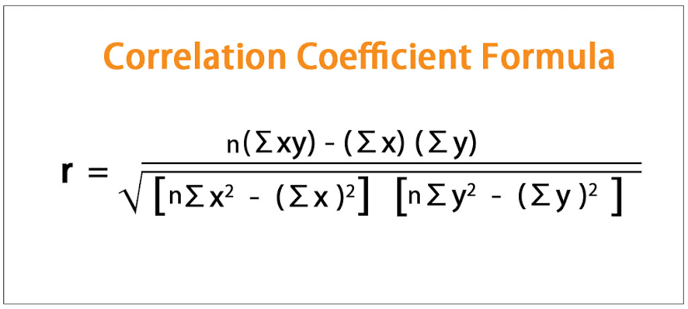
$$\sqrt{\left[7\left(68\right)−{\left(20\right)}^{2}\right][7\left(136\right)−{\left(30\right)}^{2}]}$$
 |  |  |  |  |  | y^=2.36842+0.67105x
r = | 7(93)-(20)(30)

$$−$$
= | 0.811263 | 0.65814765517
i.e | 81%
shows very strong relationship between x and y.
$$−$$

